Script
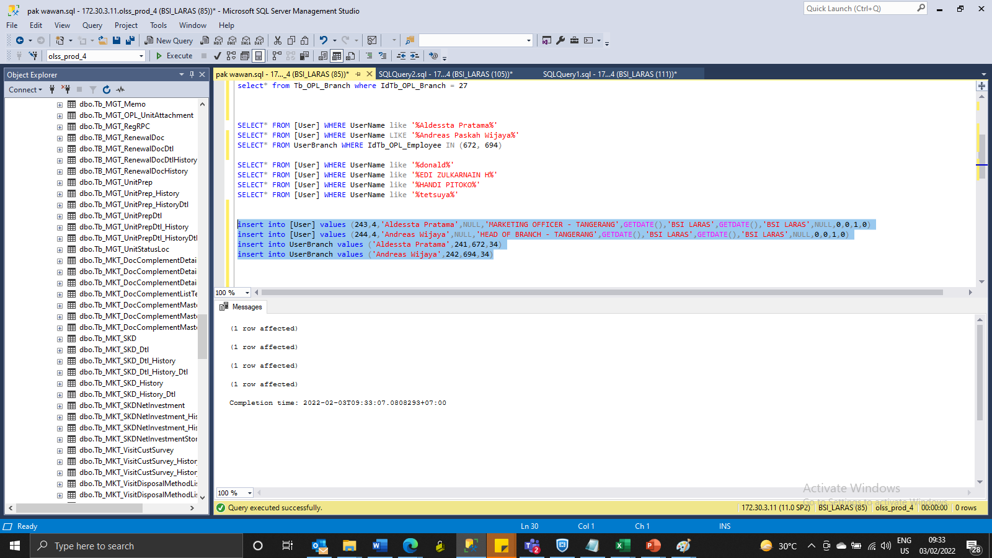
UPDATE Tb_OPL_Employee SET IdTb_OPL_JobTitles = 3 WHERE IdTb_OPL_Employee = 672
update Tb_OPL_Employee set IdTb_OPL_Branch = 34, IdTb_OPL_JobTitles = 4, IsActive = 1 where IdTb_OPL_Employee = 694

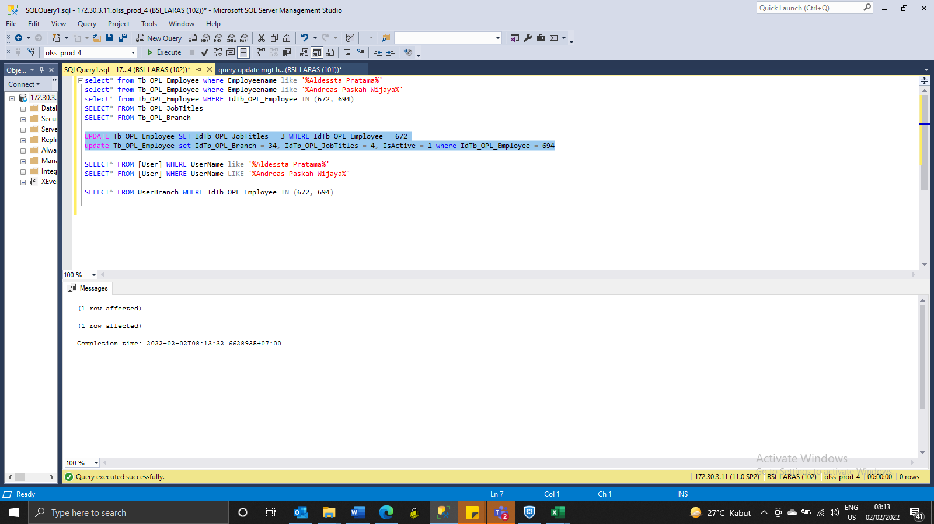

insert into [User] values (243,4,'Aldessta Pratama',NULL,'MARKETING OFFICER - TANGERANG',GETDATE(),'BSI LARAS',GETDATE(),'BSI LARAS',NULL,0,0,1,0)
insert into [User] values (244,4,'Andreas Wijaya',NULL,'HEAD OF BRANCH - TANGERANG',GETDATE(),'BSI LARAS',GETDATE(),'BSI LARAS',NULL,0,0,1,0)
insert into UserBranch values ('Aldessta Pratama',241,672,34)
insert into UserBranch values ('Andreas Wijaya',242,694,34)

